Sheet1
Product ID | Product | Price
101 | Product A | 120
102 | Product B | 150
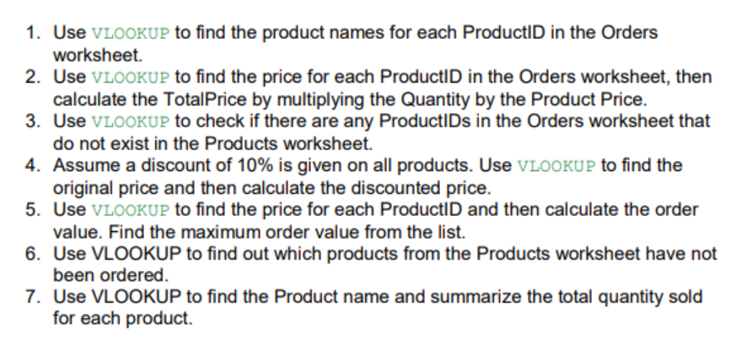
103 | Product C | 200
104 | Product D | 90
105 | Product E | 220
106 | Product F | 130

